Sheet1
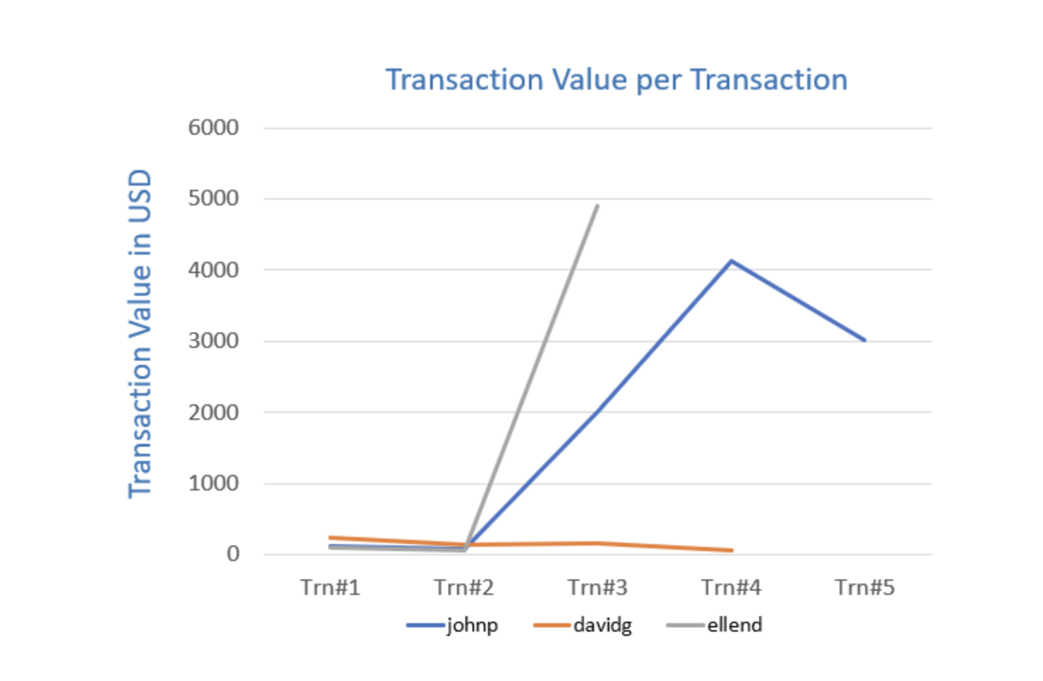
IP Address | User ID | Account Number | Age | Shipping Address | Transaction Date | Transaction Time | Transaction Value | Product Category | Units Purchased
3.56.123.0 | johnp | 25671147 | 32 | 1542, Orchid Lane, WA 98706, US | 15-5-20 | 15:00:05 | $121.58 | Clothing | 1
3.56.123.0 | johnp | 25671147 | 32 | 1542, Orchid Lane, WA 98706, US | 10-6-20 | 10:23:10 | $79.23 | Electronics | 2
3.56.123.0 | johnp | 25671147 | 32 | 1542, Orchid Lane, WA 98706, US | 1-6-20 | 07:12:45 | $129.45 | Home Décor | 1
1.186.52.7 | johnp | 25671147 | 32 | In-store | 3-6-20 | 01:11:10 | $2,009.99 | Electronics | 10
1.186.52.7 | johnp | 25671147 | 32 | In-store | 2020-06-03 | 01:15:12 | $4,131.00 | Electronics | 15
1.186.52.7 | johnp | 25671147 | 32 | P.O. Box 1049 | 03-06-2020 | 01:22:24 | $3,010.50 | Tools | 20
1.58.167.2 | davidg | 51422789 | 47 | 90 Robinson Blvd, Alberta, 97602, Canada | 15 May 2020 | 17:02:08 | $234.20 | Furniture | 1
1.58.167.2 | davidg | 51422789 | 47 | 90 Robinson Blvd, Alberta, 97602, Canada | 18 May 2020 | 19:12:45 | $141.00 | Kitchen Supplies | 1
davidg | 1.58.167.2 | 51422789 | 47 | 90 Robinson Blvd, Alberta, 97602, Canada | 01 June 2020 | 17:34:15 | $157.25 | Car Spares | 2
1.58.167.2 | davidg | 51422789 | 47 | 90 Robinson Blvd, Alberta, 97602, Canada | 13 June 2020 | 18:02:10 | $59.99 | Kitchen Supplies | 1
172.165.10.1 | ellend | 11568528 | 32 | P.O. Box 1322 | 07 June 2020 | 15:53:12 | $99.99 | Clothing | 1
172.165.10.1 | ellend | 11568528 | 32 | P.O. Box 1322 | 08 June 2020 | 17:15:30 | $53.15 | Beauty | 1
1.167.255.10 | ellend | 11568528 | 32 | P.O. Box 5401 | 02 July 2020 | 00:05:10 | $4,895.00 | Laptop | 1

